Sheet1
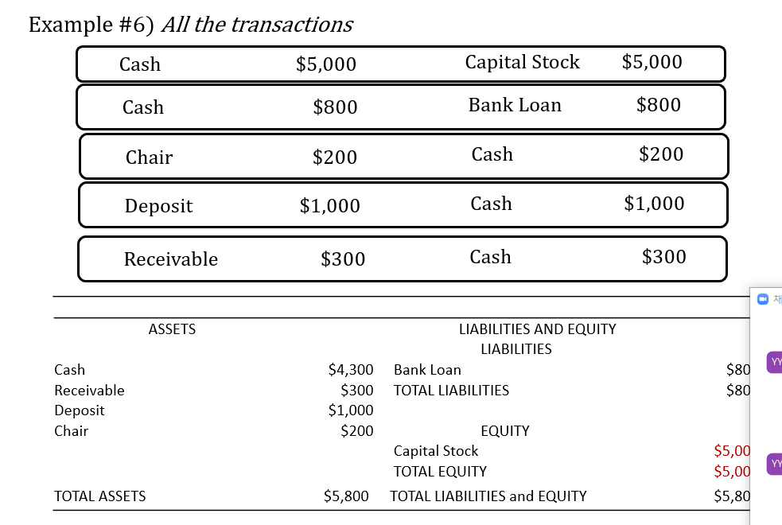
 |  |  |  |  |  |  |  |  |  |  |  |  |  | left |  | right

 |  |  |  |  |  |  |  |  |  |  |  |  |  | Cash | 5000
 |  |  |  |  |  |  |  |  |  |  |  |  |  | Cash | 800

 |  |  |  |  |  |  |  |  |  |  |  |  |  | chair | 200 | cash | 200

 |  |  |  |  |  |  |  |  |  |  |  |  |  |  |  | cash | 1000

 |  |  |  |  |  |  |  |  |  |  |  |  |  |  |  | cash | 300

 |  |  |  |  |  |  |  |  |  |  |  |  |  | cash | 5800 | cash | 1500
 |  |  |  |  |  |  |  |  |  |  |  |  |  | cash | -1500 | cash | -1500

 |  |  |  |  |  |  |  |  |  |  |  |  |  | cash | 4300 | blank

 |  |  |  |  |  |  |  |  |  |  |  |  |  | chair | 200

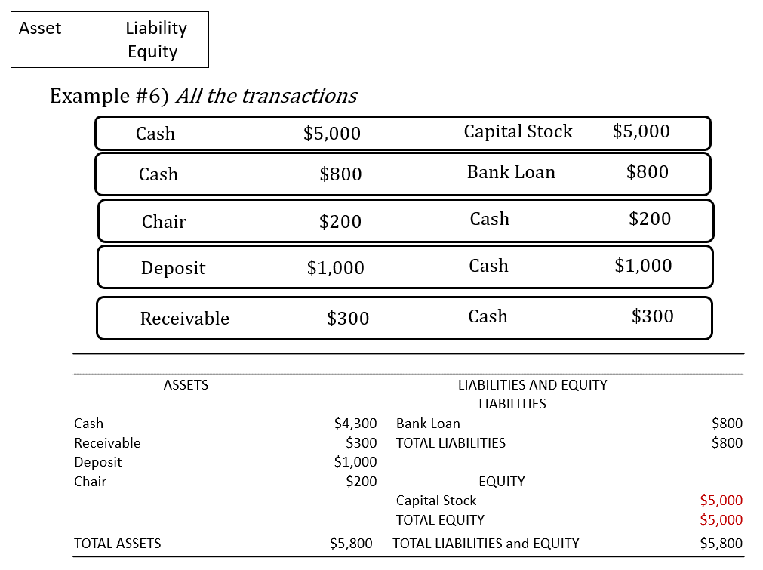

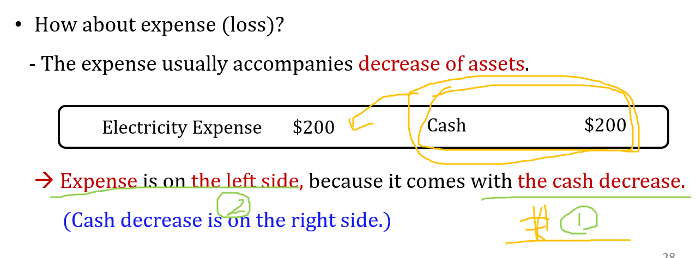

Tom 에게 월급을 3,000 달러를 주었음

근데, 알고 보았더니, Tom의 월급은 2,500 달러로 계약했었음

 | Salary Expense |  | 3000 |  | Cash | 3000

 | Cash |  | 500 |  | Salary Expense | 500

 | Salary Expense |  | 2500 |  | cash | 2500

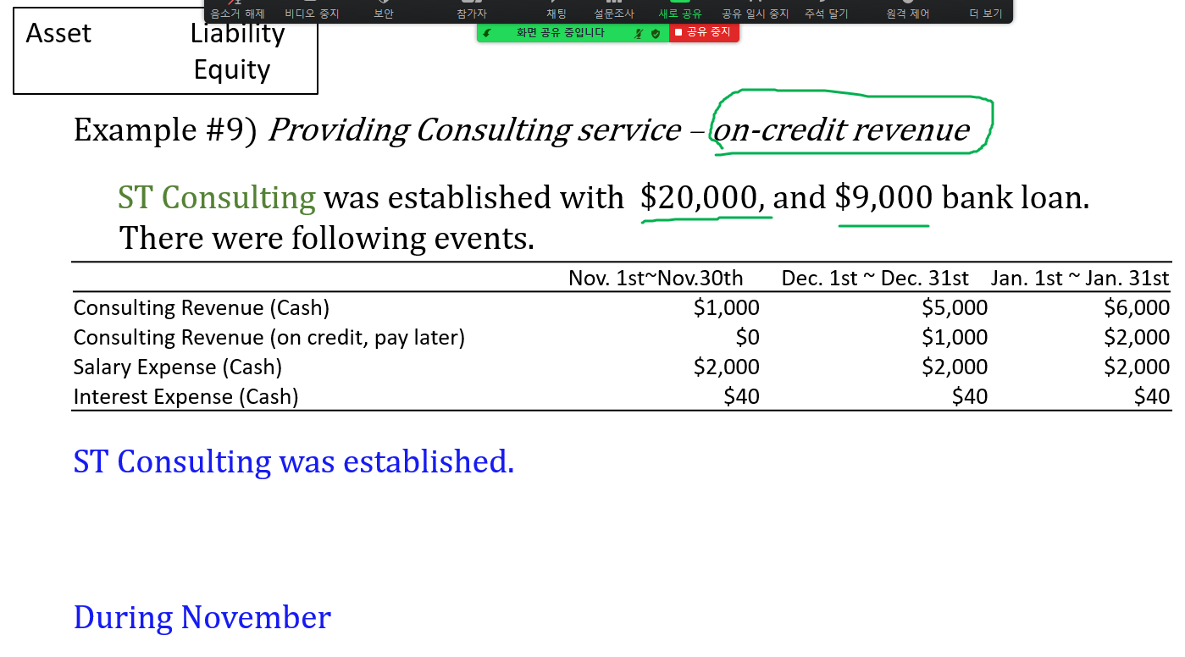

 | 1 |  | Cash | 20,000 |  | Capital Stock | 20,000
 |  |  | Cash | 9,000 |  | Bank Loan | 9,000
 |  |  | Cash | 1,000 |  | Revenue | 1,000
 |  |  | Salary Expense | 2,000 |  | Cash | 2,000
 |  |  | Interest Expense | 40 |  | Cash | 40

 |  |  |  |  |  |  |  |  | November
 |  | Summary of Earnings |  |  |  |  |  |  |  | Summary of Earnings #1
 | 2 |  | Revenue | 1,000 |  | Salary Expense | 2,000 |  |  |  | Revenue | 1,000 |  | Salary Expense | 2,000
 |  |  | loss | 1,040 |  | Interest Eapense | 40 |  |  |  | loss | 1,040 |  | Interest Eapense | 40

 | 3 | At the end of November |  |  |  |  |  |  |  | Summary of Earnings #2 (Second Option)
 |  |  | Cash | 27,960 |  | Capital Stock | 20,000 |  |  |  | Revenue | 1,000 |  | Salary Expense | 2,000 |  | Expense
 |  |  | Salary Expense | - |  | Bank Loan | 9,000 |  |  |  |  |  |  | Interest Eapense | 40 |  | Expense
 |  |  | Interest Expense | 0 |  | Revenue | - |  |  |  |  |  |  | Earnings | -1040 |  | Equity
 |  |  | Earnings (loss) | 1,040

 |  |  | total | 29,000 |  | Total | 29,000
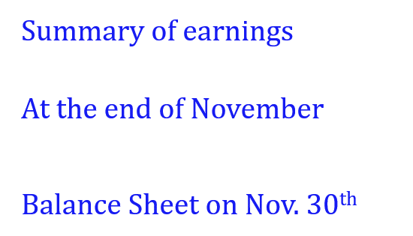

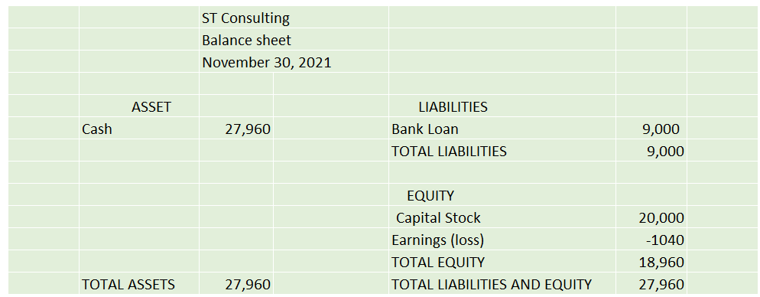
 |  |  |  |  |  |  |  |  |  |  |  |  | ST Contulting
 |  |  |  |  |  |  |  |  |  |  |  |  | Income Statement
 |  |  |  |  |  |  |  |  |  |  |  |  | Nov 1 ~ Nov 30

 |  |  |  |  |  |  |  |  |  |  |  | Revenue |  | 1000
 |  |  |  |  |  |  |  |  |  |  |  | Salary expense |  | 2000
 |  |  |  |  |  |  |  |  |  |  |  | Interest Expense |  | 40

 |  |  |  |  |  |  |  |  |  |  |  | net-income |  | -1040

 |  | At the end of November
 |  |  | Cash | 27,960 |  | Capital Stock | 20,000
 |  |  | Salary Expense | - |  | Bank Loan | 9,000
 |  |  | Interest Expense | - |  | Revenue | -
 |  |  | Earnings (loss) | 1,040

 |  |  | total | 29,000 |  | Total | 29,000

 |  |  |  | ST Consulting
 |  |  |  | Balance sheet
 |  |  |  | November 30, 2021

 |  |  | ASSET |  |  | LIABILITIES
 |  |  | Cash | 27,960 |  | Bank Loan | 9,000
 |  |  |  |  |  | TOTAL LIABILITIES | 9,000

 |  |  |  |  |  | EQUITY
 |  |  |  |  |  | Capital Stock | 20,000
 |  |  |  |  |  | Earnings (loss) | -1040
 |  |  |  |  |  | TOTAL EQUITY | 18,960
 |  |  | TOTAL ASSETS | 27,960 |  | TOTAL LIABILITIES AND EQUITY | 27,960

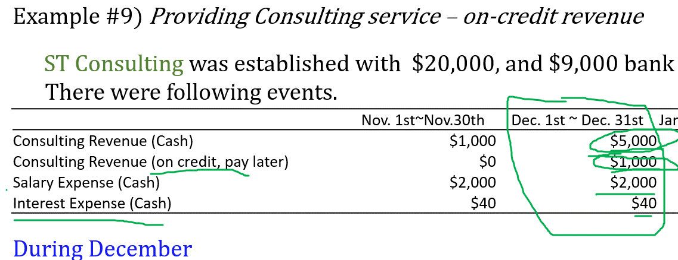

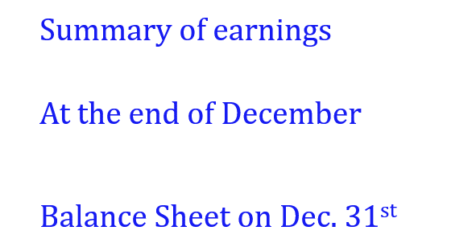

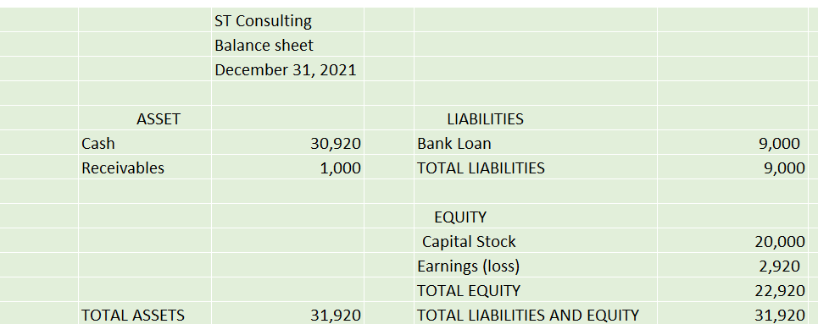

 |  |  | Cash | 5,000 |  | Revenue(Cash) | 5,000
 |  |  | Receivables | 1,000 |  | Revenue (on-credit) | 1,000
 |  |  | Salary Expense | 2,000 |  | Cash | 2,000
 |  |  | Interest Expense | 40 |  | Cash | 40

 |  |  | Revenue | 6,000 |  | Salary Expense | 2,000
 |  |  |  |  |  | Interest Expense | 40
 |  |  |  |  |  | Earnings | 3,960

 | 1 | At the end of November
 |  |  |  | Cash | 27,960 |  | Capital Stock | 20,000
 |  |  |  | Salary Expense | - |  | Bank Loan | 9,000
 |  |  |  | Interest Expense | - |  | Revenue | -
 |  |  |  | Earnings (loss) | 1,040

 | 2 | During December |  | Cash | 5,000 |  | Revenue(Cash) | 5,000
 |  |  |  | Receivables | 1,000 |  | Revenue (on-credit) | 1,000
 |  |  |  | Salary Expense | 2,000 |  | Cash | 2,000
 |  |  |  | Interest Expense | 40 |  | Cash | 40

 | 3 | Summary of Earnings |  | Revenue | 6,000 |  | Salary Expense | 2,000
 |  |  |  |  |  |  | Interest Expense | 40
 |  |  |  |  |  |  | Earnings | 3,960

 |  |  | At the End of December
 |  |  |  | Cash | 30,920 |  | Capital Stock | 20,000
 |  |  |  | Salary Expense | 0 |  | Bank Loan | 9,000
 |  |  |  | Interest Expense | 0 |  | Revenue | 0
 |  |  |  | Earnings (loss) | 0 |  | Earnings | 2,920
 |  |  |  | Receivables | 1,000

 |  |  |  | Total | 31,920 |  |  | 31,920

 |  |  |  | ST Consulting
 |  |  |  | Balance sheet
 |  |  |  | December 31, 2021

 |  |  | ASSET |  |  | LIABILITIES
 |  |  | Cash | 30,920 |  | Bank Loan | 9,000
 |  |  | Receivables | 1,000 |  | TOTAL LIABILITIES | 9,000

 |  |  |  |  |  | EQUITY
 |  |  |  |  |  | Capital Stock | 20,000
 |  |  |  |  |  | Earnings (loss) | 2,920
 |  |  |  |  |  | TOTAL EQUITY | 22,920
 |  |  | TOTAL ASSETS | 31,920 |  | TOTAL LIABILITIES AND EQUITY | 31,920

 |  |  |  |  | ST Consulting
 |  |  |  |  | Balance sheet
 |  |  |  |  | November 30 and December 31, 2021

 |  |  |  | Nov. | Dec. |  |  | Nov. | Dec.
 |  |  | ASSET |  |  |  | LIABILITIES
 |  |  | Cash | 27,960 | 30,920 |  | Bank Loan | 9,000 | 9,000
 |  |  | Receivables | 0 | 1,000 |  | TOTAL LIABILITIES | 9,000 | 9,000

 |  |  |  |  |  |  | EQUITY
 |  |  |  |  |  |  | Capital Stock | 20,000 | 20,000
 |  |  |  |  |  |  | Earnings (loss) | -1040 | 2,920
 |  |  |  |  |  |  | TOTAL EQUITY | 18,960 | 22,920
 |  |  | TOTAL ASSETS | 27,960 | 31,920 |  | TOTAL LIABILITIES AND EQUITY | 27,960 | 31,920

 |  |  |  |  | ST Consulting
 |  |  |  |  | Balance sheet
 |  |  |  |  | November 30, 2021

 |  |  |  | ASSET |  |  | LIABILITIES
 |  |  |  | Cash | 27,960 |  | Bank Loan | 9,000
 |  |  |  |  |  |  | TOTAL LIABILITIES | 9,000

 |  |  |  |  |  |  | EQUITY
 |  |  |  |  |  |  | Capital Stock | 20,000
 |  |  |  |  |  |  | Earnings (loss) | -1040
 |  |  |  |  |  |  | TOTAL EQUITY | 18,960
 |  |  |  | TOTAL ASSETS | 27,960 |  | TOTAL LIABILITIES AND EQUITY | 27,960

